Sheet1
 | Turtlesback Review

Uprooted |  | Descent | Descent

How is the difficulty ( too hard? too easy? how could it be made easier if too hard ), What about the controls? |  | How is the difficulty ( too hard? too easy? how could it be made easier if too hard ), What about the controls? | How is the difficulty ( too hard? too easy? how could it be made easier if too hard ), What about the controls?

The difficulty is moderate. Regarding the controls (mouse particularly), it would be much nicer if the character can follow the mouse cursor much closer. |  | The difficulty is easy. However, when I use the space bar, sometimes, the game fails to detect it. However, its perfect with a mouse. | This game is perfect, without any problem at all.

Do you like the way the game looks? Do the colors make sense? |  | Do you like the way the game looks? Do the colors make sense? | Do you like the way the game looks? Do the colors make sense?

The looking and color is fine. |  | The game looks fine (no preference with graphics). | The game looks fine (no preference with graphics)

Additional Feedback (Anything you can think of that we should consider) |  | Additional Feedback (Anything you can think of that we should consider) | Additional Feedback (Anything you can think of that we should consider)

none. |  | none. | none.

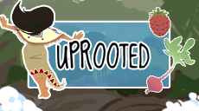
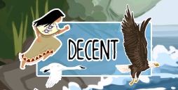
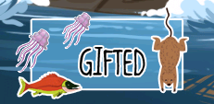

 |  | Grounded

 |  | How is the difficulty ( too hard? too easy? how could it be made easier if too hard ), What about the controls?

 |  | Little bit hard for me (weak at rhythm games)

 |  | Do you like the way the game looks? Do the colors make sense?

 |  | It looks OK.

 |  | Additional Feedback (Anything you can think of that we should consider)

 |  | none.

